Debt Report FY 2018-19
"Strength in Community"
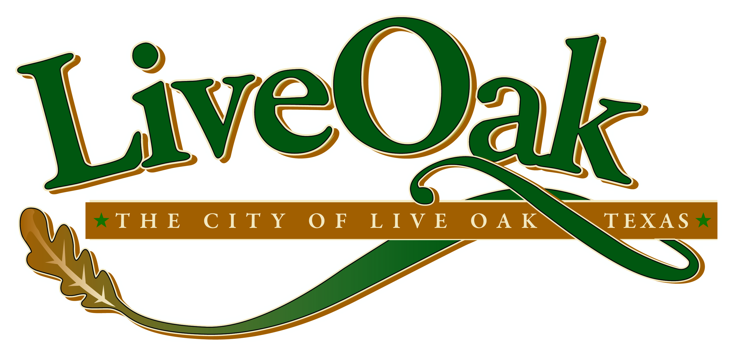 |  |  |  |  |  |  |  |  |  |  | Physical and mailing address: City of Live Oak, Texas 8001 Shin Oak Drive Live Oak, Texas 78234 TP# (210) 653-9140 |  | 
HB 1378 Annual Debt Report |  |  |  |  |  |  |  |  |  |  |  |  | HB 1378 Annual Debt Report
Fiscal year October 1, 2018 to September 30, 2019 |  |  |  |  | This report meets the requirements for HB 1378 which requires governmental entities to report their debt requirements. |  |  |  |  |  |  |  | Fiscal year October 1, 2015 to September 30, 2016
 |  |  |  |  |  | For additional information please contact:
SUMMARY OF DEBT OBLIGATION |  |  |  |  |  | Leroy Kowalik, Finance Director |  |  | lkowalik@liveoaktx.net |  |  |  | SUMMARY OF DEBT OBLIGATION
Total Obligations Secured by Ad Valorem Taxes |  |  |  |  |  |  |  |  | (210) 653-9140 ext. 2216 |  |  |  | Total Obligation Secured by Ad Valorem Taxes
 | Total authorized debt obligations | Total principal of outstanding debt obligations | Combined principal and interest outstanding |  |  |  |  |  |  |  |  |  |  | Total authorized debt obligations | Total principal of outstanding debt obligations | Combined principal and interest required to pay outstanding debt obligations
 | $22,915,000 | $14,925,000 | $18,591,824 |  |  |  |  |  |  |  |  |  |  | $47,390,000 | $34,720,000 | $44,550,630

Per Capita | $1,440 | $938 | $1,169 |  |  |  |  |  |  |  |  |  | Per Capita | $3,293 | $2,412 | $3,096

2019 Population | 15,908 |  |  |  |  |  |  |  |  |  |  |  | 2016 Population | 14,392
Source: 2019 CAFR (pg 105) |  | <<Click here to view 2019 CAFR>> |  |  |  |  |  |  |  |  |  |  | Source: 2016 CAFR (pg 127)

 | Amount Authorized | Amount Issued | Amount Unissued | Maturity Date | Principal Outstanding | Combined principal and interest outstanding | Total Proceeds Received | Proceeds Spent | Proceeds Unspent | Moody's Rating | Fitch Rating | Purpose of the debt
GENERAL OBLIGATION BONDS
GO Refunding Bonds, Series 2010 | $3,400,000 | $3,400,000 | $0 | 2022-08-01 | $1,055,000 | $1,120,424 | $3,396,726 | $3,396,726 | $0 | Not Rated | Not Rated | Refunding portions of City's general obligation debt for debt service savings.
General Obligations & Refunding Bonds, Series 2014 | $19,515,000 | $19,515,000 | $0 | 2034-08-01 | $13,870,000 | $17,471,400 | $20,773,455 | $20,773,455 | $0 | Aa3 | Not Rated | Improvements to streets, bridges, sidewalks, City parks, and for other public purposes; refunding portions of the City's general obligations for debt service savings.
CERTIFICATES OF OBLIGATION BONDS
N/A | $0 | $0 | $0 | N/A | $0 | $0 | $0 | $0 | $0 |  |  | N/A
TAX NOTES
N/A | $0 | $0 | $0 | N/A | $0 | $0 | $0 | $0 | $0 |  |  | N/A
TOTAL DEBT SERVICE REQUIREMENTS | $22,915,000 | $22,915,000 | $0 |  | $14,925,000 | $18,591,824 | $24,170,181 | $24,170,181 | $0

